Sheet1
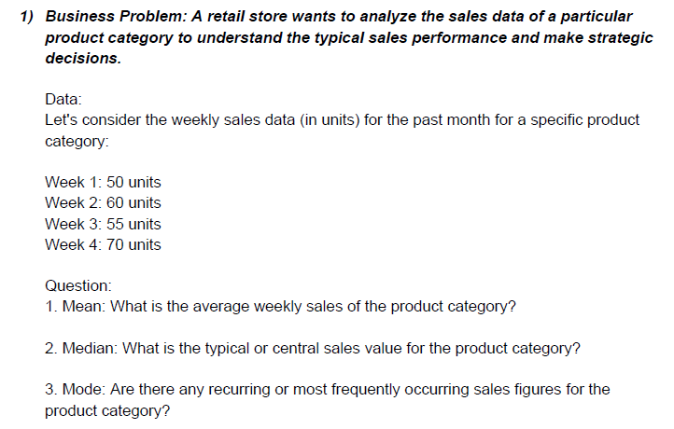
 |  |  |  |  |  |  |  |  |  |  |  | 50 |  | 58.75 | Mean
 |  |  |  |  |  |  |  |  |  |  |  | 60 |  | 57.5 | Median
 |  |  |  |  |  |  |  |  |  |  |  | 55 |  | #N/A | Mode
 |  |  |  |  |  |  |  |  |  |  |  | 70

 | 1) The Average Weekly sales of the product category is 58.75 units
 | 2) The Central sales value of the product category is 57.5 units
 | 3) There is no recurring or most frequently occurring sales figure since all the values occur only once.

 | By calculating the mean, median, and mode, the retail store gains insights into the sales performance of the product category. The mean provides an average value, the median offers a central tendency, and the absence of a mode indicates variability in the sales figures without any recurring pattern.

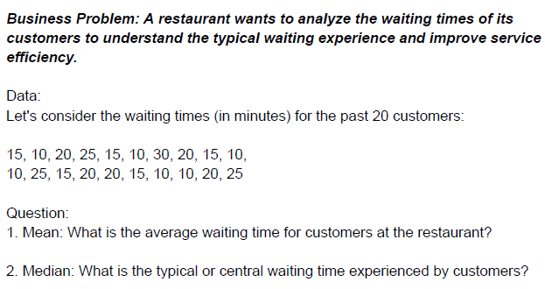
 |  |  |  |  |  |  |  |  |  | Waiting Minutes
 |  |  |  |  |  |  |  |  |  | 15 |  | 17 | Mean
 |  |  |  |  |  |  |  |  |  | 10 |  | 15 | Median
 |  |  |  |  |  |  |  |  |  | 20 |  | 10 | Mode
 |  |  |  |  |  |  |  |  |  | 25
 |  |  |  |  |  |  |  |  |  | 15 |  | 1) The average waiting time for the customers is 17 minutes.
 |  |  |  |  |  |  |  |  |  | 10 |  | 2) The typical or central waiting time experienced by customers is 15 minutes.
 |  |  |  |  |  |  |  |  |  | 30 |  | 3) Yes there is a recurring or most frequently occurring waiting times for customers which is 10 minutes.
 |  |  |  |  |  |  |  |  |  | 20
 |  |  |  |  |  |  |  |  |  | 15
 |  |  |  |  |  |  |  |  |  | 10
 |  |  |  |  |  |  |  |  |  | 10
 |  |  |  |  |  |  |  |  |  | 25
 |  |  |  |  |  |  |  |  |  | 15
 |  |  |  |  |  |  |  |  |  | 20
 |  |  |  |  |  |  |  |  |  | 20
 |  |  |  |  |  |  |  |  |  | 15
 |  |  |  |  |  |  |  |  |  | 10
 |  |  |  |  |  |  |  |  |  | 10
 |  |  |  |  |  |  |  |  |  | 20
 |  |  |  |  |  |  |  |  |  | 25

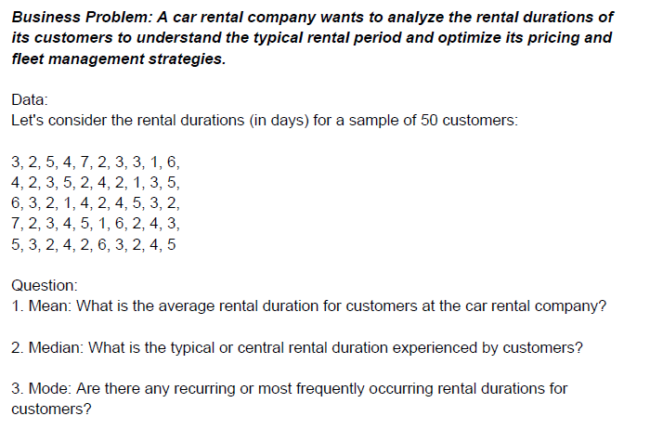
 |  |  |  |  |  |  |  |  |  |  | Data
 |  |  |  |  |  |  |  |  |  |  | 3 | 2 | 5 | 4 | 7 | 2 | 3 | 3 | 1 | 6
 |  |  |  |  |  |  |  |  |  |  | 4 | 2 | 3 | 5 | 2 | 4 | 2 | 1 | 3 | 5
 |  |  |  |  |  |  |  |  |  |  | 6 | 3 | 2 | 1 | 4 | 2 | 4 | 5 | 3 | 2
 |  |  |  |  |  |  |  |  |  |  | 7 | 2 | 3 | 4 | 5 | 1 | 6 | 2 | 4 | 3
 |  |  |  |  |  |  |  |  |  |  | 5 | 3 | 2 | 4 | 2 | 6 | 3 | 2 | 4 | 5

 |  |  |  |  |  |  |  |  |  |  |  | Mean | 3.4
 |  |  |  |  |  |  |  |  |  |  |  | Median | 3
 |  |  |  |  |  |  |  |  |  |  |  | Mode | 2

 |  |  |  |  |  |  |  |  |  |  | 1) The average rental duration for customers at the car rental company is 3.4 days.
 |  |  |  |  |  |  |  |  |  |  | 2) The typical or central rental duration experienced by the customers is 3 days.
 |  |  |  |  |  |  |  |  |  |  | 3) Yes there is recurring or most frequently occuring rental duration for the customers which is 2 days.

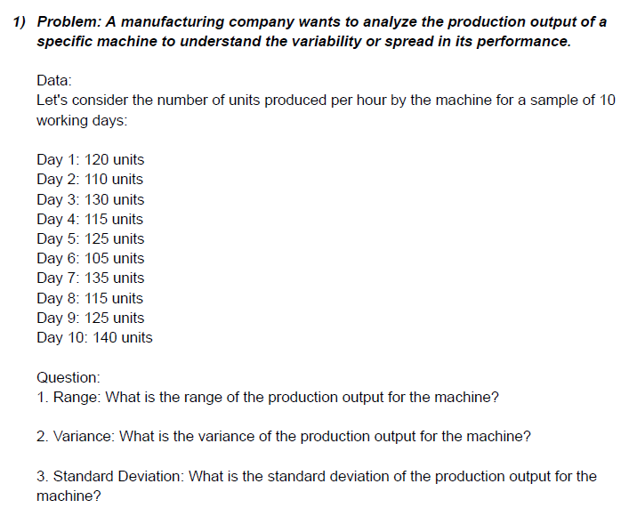
 |  |  |  |  |  |  |  |  |  |  |  | Data
 |  |  |  |  |  |  |  |  |  |  |  | 120
 |  |  |  |  |  |  |  |  |  |  |  | 110
 |  |  |  |  |  |  |  |  |  |  |  | 130
 |  |  |  |  |  |  |  |  |  |  |  | 115
 |  |  |  |  |  |  |  |  |  |  |  | 125
 |  |  |  |  |  |  |  |  |  |  |  | 105
 |  |  |  |  |  |  |  |  |  |  |  | 135 |  |  |  |  |  |  |  |  | here in variance formula it will be n-1 |  |  |  | here in variance formula it will be n-1
 |  |  |  |  |  |  |  |  |  |  |  | 115
 |  |  |  |  |  |  |  |  |  |  |  | 125
 |  |  |  |  |  |  |  |  |  |  |  | 140

 |  |  |  |  |  |  |  |  |  |  |  | Max Value | 140
 |  |  |  |  |  |  |  |  |  |  |  | Min Value | 105
 |  |  |  |  |  |  |  |  |  |  |  | Range | 35
 |  |  |  |  |  |  |  |  |  |  |  | Variance | 123.33333333
 |  |  |  |  |  |  |  |  |  |  |  | Standard Deviation | 11.105554166
 |  |  |  |  |  |  |  |  |  |  |  | Mean | 122

 | 1) The range of the production output for the machine is 35 units.
 | 2) The variance of the production output for the machine is 123.33 units.
 | 3) The Standard deviation of the production output for the machine is 11.11 units.

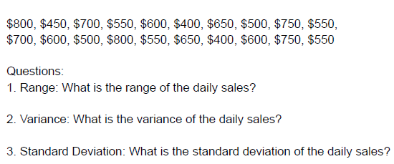
 |  |  |  |  |  |  |  |  |  |  | Data
 |  |  |  |  |  |  |  |  |  |  | 500 | 700 | 400 | 600 | 550 | 750 | 650 | 500 | 600 | 550
 |  |  |  |  |  |  |  |  |  |  | 800 | 450 | 700 | 550 | 600 | 400 | 650 | 500 | 750 | 550
 |  |  |  |  |  |  |  |  |  |  | 700 | 600 | 500 | 800 | 550 | 650 | 400 | 600 | 750 | 550

 |  |  |  |  |  |  |  |  |  |  | Max Value | 800
 |  |  |  |  |  |  |  |  |  |  | Min Value | 400
 |  |  |  |  |  |  |  |  |  |  | Mean | 595
 |  |  |  |  |  |  |  |  |  |  | Range | 400
 |  |  |  |  |  |  |  |  |  |  | Variance | 13163.793103
 |  |  |  |  |  |  |  |  |  |  | S.D | 114.73

 | 1) The range of daily sales is 400 dollars.
 | 2) The variance of daily sales in 13163.79 dollars.
 | 3) The standard deviation of the daily sales is 114.73 dollars.

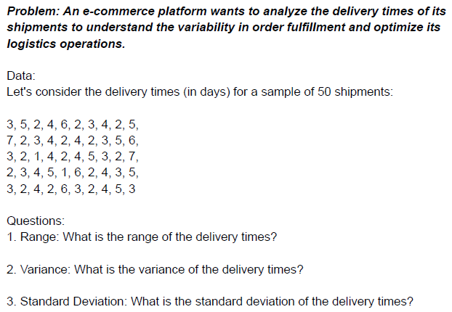

 |  |  |  |  |  |  |  |  |  |  | Data
 |  |  |  |  |  |  |  |  |  |  | 3 | 5 | 2 | 4 | 6 | 2 | 3 | 4 | 2 | 5
 |  |  |  |  |  |  |  |  |  |  | 7 | 2 | 3 | 4 | 2 | 4 | 2 | 3 | 5 | 6
 |  |  |  |  |  |  |  |  |  |  | 3 | 2 | 1 | 4 | 2 | 4 | 5 | 3 | 2 | 7
 |  |  |  |  |  |  |  |  |  |  | 2 | 3 | 4 | 5 | 1 | 6 | 2 | 4 | 3 | 5
 |  |  |  |  |  |  |  |  |  |  | 3 | 2 | 4 | 2 | 6 | 3 | 2 | 4 | 5 | 3

 |  |  |  |  |  |  |  |  |  |  | Max Value | 7
 |  |  |  |  |  |  |  |  |  |  | Min Value | 1
 |  |  |  |  |  |  |  |  |  |  | Mean | 3.52
 |  |  |  |  |  |  |  |  |  |  | Range | 6
 |  |  |  |  |  |  |  |  |  |  | Variance | 2.3363265306
 |  |  |  |  |  |  |  |  |  |  | S.D | 1.5285046714

 | 1) The range of delivery times is 6.
 | 2) The variance of delivery times is 2.33
 | 3) The standard deviation of the delivery time is 1.53

 |  |  |  |  |  |  |  |  |  |  | Data
 |  |  |  |  |  |  |  |  |  |  | 120 |  | Mean | 132.5
 |  |  |  |  |  |  |  |  |  |  | 150 |  | Max Value | 155
 |  |  |  |  |  |  |  |  |  |  | 110 |  | Min Value | 110
 |  |  |  |  |  |  |  |  |  |  | 135 |  | Range | 45
 |  |  |  |  |  |  |  |  |  |  | 125
 |  |  |  |  |  |  |  |  |  |  | 140
 |  |  |  |  |  |  |  |  |  |  | 130
 |  |  |  |  |  |  |  |  |  |  | 155
 |  |  |  |  |  |  |  |  |  |  | 115
 |  |  |  |  |  |  |  |  |  |  | 145
 |  |  |  |  |  |  |  |  |  |  | 135
 |  |  |  |  |  |  |  |  |  |  | 130

 | 1) Average Monthly Revenue for the product is 132.5 dollars.
 | 2) The range of monthly revenue for the product is 45.

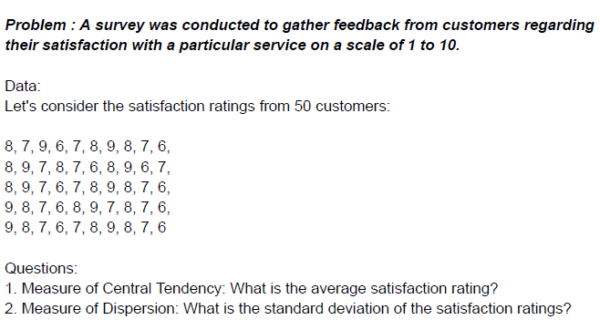
 |  |  |  |  |  |  |  |  |  |  |  |  | Data
 |  |  |  |  |  |  |  |  |  |  |  |  | 8 | 7 | 9 | 6 | 7 | 8 | 9 | 8 | 7 | 6
 |  |  |  |  |  |  |  |  |  |  |  |  | 8 | 9 | 7 | 8 | 7 | 6 | 8 | 9 | 6 | 7
 |  |  |  |  |  |  |  |  |  |  |  |  | 8 | 9 | 7 | 6 | 7 | 8 | 9 | 8 | 7 | 6
 |  |  |  |  |  |  |  |  |  |  |  |  | 9 | 8 | 7 | 6 | 8 | 9 | 7 | 8 | 7 | 6
 |  |  |  |  |  |  |  |  |  |  |  |  | 9 | 8 | 7 | 6 | 7 | 8 | 9 | 8 | 7 | 6

 |  |  |  |  |  |  |  |  |  |  |  | Mean | 7.5
 |  |  |  |  |  |  |  |  |  |  |  | Standard Deviation | 1.035098339

 | 1) The average satisfaction rating in 7.5
 | 2) The standard deviation of the satisfaction ratings is 1.04

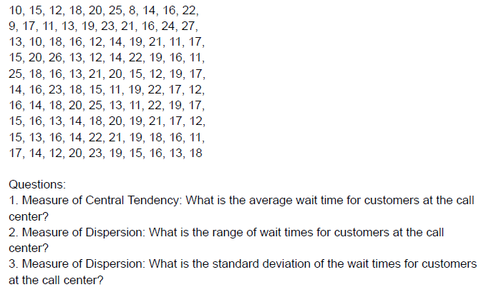

 |  |  |  |  |  |  |  |  |  |  |  | Data
 |  |  |  |  |  |  |  |  |  |  |  | 10 | 15 | 12 | 18 | 20 | 25 | 8 | 14 | 16 | 22
 |  |  |  |  |  |  |  |  |  |  |  | 9 | 17 | 11 | 13 | 19 | 23 | 21 | 16 | 24 | 27
 |  |  |  |  |  |  |  |  |  |  |  | 13 | 10 | 18 | 16 | 12 | 14 | 19 | 21 | 11 | 17
 |  |  |  |  |  |  |  |  |  |  |  | 15 | 20 | 26 | 13 | 12 | 14 | 22 | 19 | 16 | 11
 |  |  |  |  |  |  |  |  |  |  |  | 25 | 18 | 16 | 13 | 21 | 20 | 15 | 12 | 19 | 17
 |  |  |  |  |  |  |  |  |  |  |  | 14 | 16 | 23 | 18 | 15 | 11 | 19 | 22 | 17 | 12
 |  |  |  |  |  |  |  |  |  |  |  | 16 | 14 | 18 | 20 | 25 | 13 | 11 | 22 | 19 | 17
 |  |  |  |  |  |  |  |  |  |  |  | 15 | 16 | 13 | 14 | 18 | 20 | 19 | 21 | 17 | 12
 |  |  |  |  |  |  |  |  |  |  |  | 15 | 13 | 16 | 14 | 22 | 21 | 19 | 18 | 16 | 11
 |  |  |  |  |  |  |  |  |  |  |  | 17 | 14 | 12 | 20 | 23 | 19 | 15 | 16 | 13 | 18

 |  |  |  |  |  |  |  |  |  |  |  | Mean | Max Value | Min value | Range | SD
 |  |  |  |  |  |  |  |  |  |  |  | 16.74 | 27 | 8 | 19 | 4.1429506881

 | 1) Average wait time for customer at the call center is 16.74 minutes
 | 2) The range of wait times for customers at the call center in 19 minutes
 | 3) The standard deviation of the wait time for customers ar the call center is 4.14 minutes

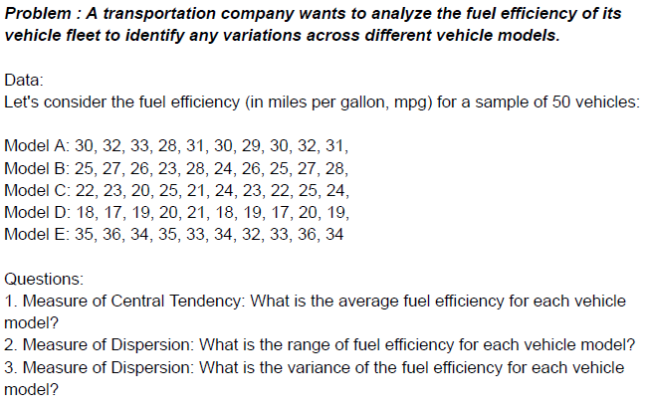

 |  |  |  |  |  |  |  |  |  |  |  | Model A | 30 | 32 | 33 | 28 | 31 | 30 | 29 | 30 | 32 | 31
 |  |  |  |  |  |  |  |  |  |  |  | Model B | 25 | 27 | 26 | 23 | 28 | 24 | 26 | 25 | 27 | 28
 |  |  |  |  |  |  |  |  |  |  |  | Model C | 22 | 23 | 20 | 25 | 21 | 24 | 23 | 22 | 25 | 24
 |  |  |  |  |  |  |  |  |  |  |  | Model D | 18 | 17 | 19 | 20 | 21 | 18 | 19 | 17 | 20 | 19
 |  |  |  |  |  |  |  |  |  |  |  | Model E | 35 | 36 | 34 | 35 | 33 | 34 | 32 | 33 | 36 | 34

 |  |  |  |  |  |  |  |  |  |  |  |  | Mean | Max | Min | Range | Variance
 |  |  |  |  |  |  |  |  |  |  |  | Model A | 30.6 | 33 | 28 | 5 | 2.2666666667
 |  |  |  |  |  |  |  |  |  |  |  | Model B | 25.9 | 28 | 23 | 5 | 2.7666666667
 |  |  |  |  |  |  |  |  |  |  |  | Model C | 22.9 | 25 | 20 | 5 | 2.7666666667
 |  |  |  |  |  |  |  |  |  |  |  | Model D | 18.8 | 21 | 17 | 4 | 1.7333333333
 |  |  |  |  |  |  |  |  |  |  |  | Model E | 34.2 | 36 | 32 | 4 | 1.7333333333

 | The Average fuel efficiency, range of fuel efficiency, variance of fuel efficiency for each vehicle model is mentioned in the blue matrix table.

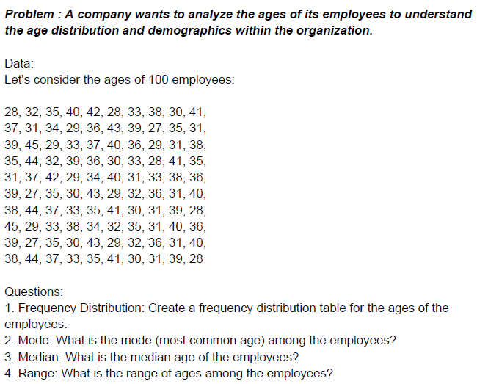

 |  |  |  |  |  |  |  |  |  |  |  | Data
 |  |  |  |  |  |  |  |  |  |  |  | 28 | 32 | 35 | 40 | 42 | 28 | 33 | 38 | 30 | 41
 |  |  |  |  |  |  |  |  |  |  |  | 37 | 31 | 34 | 29 | 36 | 43 | 39 | 27 | 35 | 31
 |  |  |  |  |  |  |  |  |  |  |  | 39 | 45 | 29 | 33 | 37 | 40 | 36 | 29 | 31 | 38
 |  |  |  |  |  |  |  |  |  |  |  | 35 | 44 | 32 | 39 | 36 | 30 | 33 | 28 | 41 | 35
 |  |  |  |  |  |  |  |  |  |  |  | 31 | 37 | 42 | 29 | 34 | 40 | 31 | 33 | 38 | 36
 |  |  |  |  |  |  |  |  |  |  |  | 39 | 27 | 35 | 30 | 43 | 29 | 32 | 36 | 31 | 40
 |  |  |  |  |  |  |  |  |  |  |  | 38 | 44 | 37 | 33 | 35 | 41 | 30 | 31 | 39 | 28
 |  |  |  |  |  |  |  |  |  |  |  | 45 | 29 | 33 | 38 | 34 | 32 | 35 | 31 | 40 | 36
 |  |  |  |  |  |  |  |  |  |  |  | 39 | 27 | 35 | 30 | 43 | 29 | 32 | 36 | 31 | 40
 |  |  |  |  |  |  |  |  |  |  |  | 38 | 44 | 37 | 33 | 35 | 41 | 30 | 31 | 39 | 28

 |  |  |  |  |  |  |  |  |  |  |  | Mean | 34.99
 |  |  |  |  |  |  |  |  |  |  |  | Max value | 45
 |  |  |  |  |  |  |  |  |  |  |  | Min Value | 27
 |  |  |  |  |  |  |  |  |  |  |  | Range | 18
 |  |  |  |  |  |  |  |  |  |  |  | Mode | 31
 |  |  |  |  |  |  |  |  |  |  |  | Median | 35
 |  |  |  |  |  |  |  |  |  |  |  | WOI | 3.6 | (Range/Number of Intervals) in this case we decided to use 5 number of intervals
 |  |  |  |  |  |  |  |  |  |  |  | Approx WOI | 5
Histogram

 |  |  |  |  |  |  |  |  |  |  |  | Age Group | Upper Age limit |  |  |  |  | Upper Age limit | Frequency | Cumulative % | Upper Age limit | Frequency | Cumulative %
1)Frequency distribution table prepared on the right side. |  |  |  |  |  |  |  |  |  |  |  | 21-25 | 25 |  |  |  |  | 25 | 0 | 0.00% | 35 | 34 | 34.00%
2) The mode (most common age) among the employees is 31 years. |  |  |  |  |  |  |  |  |  |  |  | 26-30 | 30 |  |  |  |  | 30 | 21 | 21.00% | 40 | 31 | 65.00%
3) The median age of the employees is 35 years. |  |  |  |  |  |  |  |  |  |  |  | 31-35 | 35 |  |  |  |  | 35 | 34 | 55.00% | 30 | 21 | 86.00%
4) The range of ages among the employees is 18 years. |  |  |  |  |  |  |  |  |  |  |  | 36-40 | 40 |  |  |  |  | 40 | 31 | 86.00% | 45 | 14 | 100.00%
 |  |  |  |  |  |  |  |  |  |  |  | 41-45 | 45 |  |  |  |  | 45 | 14 | 100.00% | 25 | 0 | 100.00%
 |  |  |  |  |  |  |  |  |  |  |  |  |  |  |  |  |  | More | 0 | 100.00% | More | 0 | 100.00%

 |  |  |  |  |  |  |  |  |  |  |  |  |  |  |  |  |  | Upper Age limit | Frequency | Cumulative % | Upper Age limit | Frequency | Cumulative %
 |  |  |  |  |  |  |  |  |  |  |  |  |  |  |  |  |  | 25 | 0 | 0.00% | 35 | 34 | 34.00%
 |  |  |  |  |  |  |  |  |  |  |  |  |  |  |  |  |  | 30 | 21 | 21.00% | 40 | 31 | 65.00%
 |  |  |  |  |  |  |  |  |  |  |  |  |  |  |  |  |  | 35 | 34 | 55.00% | 30 | 21 | 86.00%
 |  |  |  |  |  |  |  |  |  |  |  |  |  |  |  |  |  | 40 | 31 | 86.00% | 45 | 14 | 100.00%
 |  |  |  |  |  |  |  |  |  |  |  |  |  |  |  |  |  | 45 | 14 | 100.00% | 25 | 0 | 100.00%
 |  |  |  |  |  |  |  |  |  |  |  |  |  |  |  |  |  | More | 0 | 100.00% | More | 0 | 100.00%

 |  |  |  |  |  |  |  |  |  |  |  | Data
 |  |  |  |  |  |  |  |  |  |  |  | 56 | 40 | 28 | 73 | 52 | 61 | 35 | 40 | 47 | 65
 |  |  |  |  |  |  |  |  |  |  |  | 52 | 44 | 38 | 60 | 56 | 40 | 36 | 49 | 68 | 57
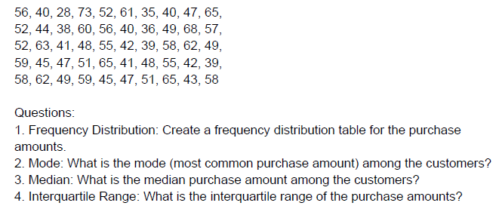
 |  |  |  |  |  |  |  |  |  |  |  | 52 | 63 | 41 | 48 | 55 | 42 | 39 | 58 | 62 | 49
 |  |  |  |  |  |  |  |  |  |  |  | 59 | 45 | 47 | 51 | 65 | 41 | 48 | 55 | 42 | 39
 |  |  |  |  |  |  |  |  |  |  |  | 58 | 62 | 49 | 59 | 45 | 47 | 51 | 65 | 43 | 58

 |  |  |  |  |  |  |  |  |  |  |  | Max Value | 73 |  | Q1 | 42.25 | Q1 is 1st quartile
 |  |  |  |  |  |  |  |  |  |  |  | Min Value | 28 |  | Q3 | 58 | Q3 is 3rd quartile
 |  |  |  |  |  |  |  |  |  |  |  | Range | 45 |  | IQR | 15.75 | IQR is interquartile range, IQR= Q3-Q1
 |  |  |  |  |  |  |  |  |  |  |  | WOI | 4.5 | (Range/no of intervals) in this case we decided to take 10
 |  |  |  |  |  |  |  |  |  |  |  | Approx WOI | 5
Histogram
 |  |  |  |  |  |  |  |  |  |  |  | Mean | 50.7
 |  |  |  |  |  |  |  |  |  |  |  | Mode | 40
 |  |  |  |  |  |  |  |  |  |  |  | Median | 50 |  |  |  |  | Upper limit | Frequency | Cumulative % | Bin | Frequency | Cumulative %
 |  |  |  |  |  |  |  |  |  |  |  |  |  |  |  |  |  | 30 | 1 | 2.00% | 60 | 9 | 18.00%
1) Frequency distribution table created on the right side. |  |  |  |  |  |  |  |  |  |  |  | Amount | Upper Limit |  |  |  |  | 35 | 1 | 4.00% | 45 | 8 | 34.00%
2) Mode among the customers is 40. |  |  |  |  |  |  |  |  |  |  |  | 26-30 | 30 |  |  |  |  | 40 | 7 | 18.00% | 50 | 8 | 50.00%
3) Median purchase among the customers is 50. |  |  |  |  |  |  |  |  |  |  |  | 31-35 | 35 |  |  |  |  | 45 | 8 | 34.00% | 40 | 7 | 64.00%
4) The interquartile range of the purchase amounts is 15.75. |  |  |  |  |  |  |  |  |  |  |  | 36-40 | 40 |  |  |  |  | 50 | 8 | 50.00% | 55 | 7 | 78.00%
 |  |  |  |  |  |  |  |  |  |  |  | 41-45 | 45 |  |  |  |  | 55 | 7 | 64.00% | 65 | 7 | 92.00%
 |  |  |  |  |  |  |  |  |  |  |  | 46-50 | 50 |  |  |  |  | 60 | 9 | 82.00% | 30 | 1 | 94.00%
 |  |  |  |  |  |  |  |  |  |  |  | 51-55 | 55 |  |  |  |  | 65 | 7 | 96.00% | 35 | 1 | 96.00%
 |  |  |  |  |  |  |  |  |  |  |  | 56-60 | 60 |  |  |  |  | 70 | 1 | 98.00% | 70 | 1 | 98.00%
 |  |  |  |  |  |  |  |  |  |  |  | 61-65 | 65 |  |  |  |  | 75 | 1 | 100.00% | 75 | 1 | 100.00%
 |  |  |  |  |  |  |  |  |  |  |  | 66-70 | 70 |  |  |  |  | More | 0 | 100.00% | More | 0 | 100.00%
 |  |  |  |  |  |  |  |  |  |  |  | 71-75 | 75

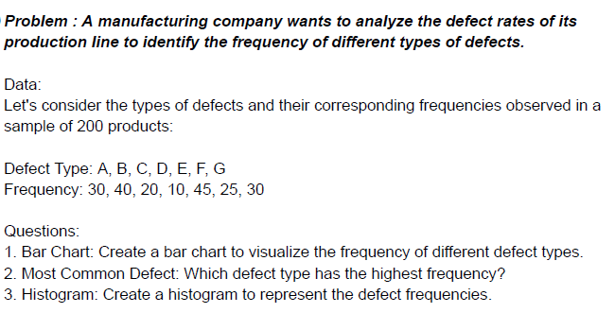

 |  |  |  |  |  |  |  |  |  |  |  | Defect Types | Frequency
 |  |  |  |  |  |  |  |  |  |  |  | A | 30 |  |  |  |  |  |  |  | Bar chart
 |  |  |  |  |  |  |  |  |  |  |  | B | 40
 |  |  |  |  |  |  |  |  |  |  |  | C | 20
 |  |  |  |  |  |  |  |  |  |  |  | D | 10
 |  |  |  |  |  |  |  |  |  |  |  | E | 45
 |  |  |  |  |  |  |  |  |  |  |  | F | 25
 |  |  |  |  |  |  |  |  |  |  |  | G | 30

 |  |  |  |  |  |  |  |  |  |  |  | 45 | E | Most Common Deffect

 |  |  |  |  |  |  |  |  |  |  |  | Defect Types | Frequency
1) Bar Chart created. |  |  |  |  |  |  |  |  |  |  |  | A | 30 |  | 30
2) Defect type E has the highest frequency. |  |  |  |  |  |  |  |  |  |  |  | B | 40 |  | 40 |  |  |  |  |  |  |  | Histogram
3)Histogram created. |  |  |  |  |  |  |  |  |  |  |  | C | 20 |  | 20
 |  |  |  |  |  |  |  |  |  |  |  | D | 10 |  | 10
 |  |  |  |  |  |  |  |  |  |  |  | E | 45 |  | 45
 |  |  |  |  |  |  |  |  |  |  |  | F | 25 |  | 25
 |  |  |  |  |  |  |  |  |  |  |  | G | 30 |  | 30

 |  |  |  |  |  |  |  |  |  |  |  | Data
 |  |  |  |  |  |  |  |  |  |  |  | 4 | 5 | 3 | 4 | 4 | 3 | 2 | 5 | 4 | 3
 |  |  |  |  |  |  |  |  |  |  |  | 5 | 4 | 2 | 3 | 4 | 5 | 3 | 4 | 5 | 3
 |  |  |  |  |  |  |  |  |  |  |  | 4 | 3 | 2 | 4 | 5 | 3 | 4 | 5 | 4 | 3
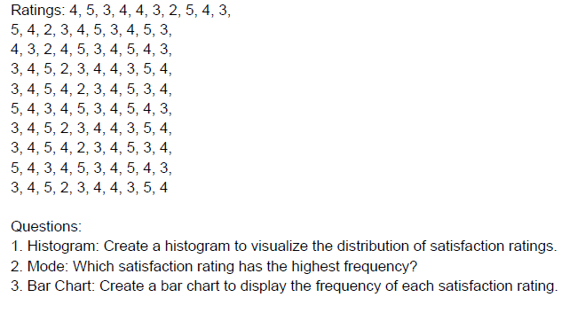
 |  |  |  |  |  |  |  |  |  |  |  | 3 | 4 | 5 | 2 | 3 | 4 | 4 | 3 | 5 | 4
 |  |  |  |  |  |  |  |  |  |  |  | 3 | 4 | 5 | 4 | 2 | 3 | 4 | 5 | 3 | 4
 |  |  |  |  |  |  |  |  |  |  |  | 5 | 4 | 3 | 4 | 5 | 3 | 4 | 5 | 4 | 3
 |  |  |  |  |  |  |  |  |  |  |  | 3 | 4 | 5 | 2 | 3 | 4 | 4 | 3 | 5 | 4
 |  |  |  |  |  |  |  |  |  |  |  | 3 | 4 | 5 | 4 | 2 | 3 | 4 | 5 | 3 | 4
 |  |  |  |  |  |  |  |  |  |  |  | 5 | 4 | 3 | 4 | 5 | 3 | 4 | 5 | 4 | 3
 |  |  |  |  |  |  |  |  |  |  |  | 3 | 4 | 5 | 2 | 3 | 4 | 4 | 3 | 5 | 4

 |  |  |  |  |  |  |  |  |  |  |  | Satisfaction Ratings | Frequency
 |  |  |  |  |  |  |  |  |  |  |  | 1 | 0 |  |  |  | Satisfaction Ratings | Frequency | Cumulative % | Satisfaction Ratings | Frequency | Cumulative %
 |  |  |  |  |  |  |  |  |  |  |  | 2 | 8 |  |  |  | 1 | 0 | 0.00% | 4 | 39 | 39.00%
 |  |  |  |  |  |  |  |  |  |  |  | 3 | 30 |  |  |  | 2 | 8 | 8.00% | 3 | 30 | 69.00%
 |  |  |  |  |  |  |  |  |  |  |  | 4 | 39 |  |  |  | 3 | 30 | 38.00% | 5 | 23 | 92.00%
 |  |  |  |  |  |  |  |  |  |  |  | 5 | 23 |  |  |  | 4 | 39 | 77.00% | 2 | 8 | 100.00%
 |  |  |  |  |  |  |  |  |  |  |  |  |  |  |  |  | 5 | 23 | 100.00% | 1 | 0 | 100.00%
 |  |  |  |  |  |  |  |  |  |  |  |  |  |  |  |  | More | 0 | 100.00% | More | 0 | 100.00%

Histogram
1) Histogram created on the right side.
2) Satisfaction rating 4 has the highest frequency.
3) Bar Chart created.

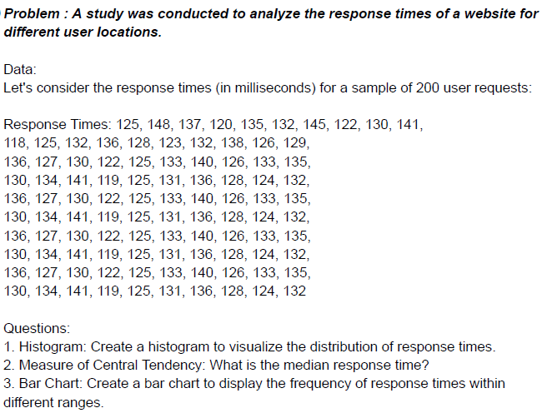
 |  |  |  |  |  |  |  |  |  |  |  | Data
 |  |  |  |  |  |  |  |  |  |  |  | 125 | 148 | 137 | 120 | 135 | 132 | 145 | 122 | 130 | 141
 |  |  |  |  |  |  |  |  |  |  |  | 118 | 125 | 132 | 136 | 128 | 123 | 132 | 138 | 126 | 129
 |  |  |  |  |  |  |  |  |  |  |  | 136 | 127 | 130 | 122 | 125 | 133 | 140 | 126 | 133 | 135
 |  |  |  |  |  |  |  |  |  |  |  | 130 | 134 | 141 | 119 | 125 | 131 | 136 | 128 | 124 | 132
 |  |  |  |  |  |  |  |  |  |  |  | 136 | 127 | 130 | 122 | 125 | 133 | 140 | 126 | 133 | 135
 |  |  |  |  |  |  |  |  |  |  |  | 130 | 134 | 141 | 119 | 125 | 131 | 136 | 128 | 124 | 132
 |  |  |  |  |  |  |  |  |  |  |  | 136 | 127 | 130 | 122 | 125 | 133 | 140 | 126 | 133 | 135
 |  |  |  |  |  |  |  |  |  |  |  | 130 | 134 | 141 | 119 | 125 | 131 | 136 | 128 | 124 | 132
 |  |  |  |  |  |  |  |  |  |  |  | 136 | 127 | 130 | 122 | 125 | 133 | 140 | 126 | 133 | 135
 |  |  |  |  |  |  |  |  |  |  |  | 130 | 134 | 141 | 119 | 125 | 131 | 136 | 128 | 124 | 132

 |  |  |  |  |  |  |  |  |  |  | Max | 148 |  | Response Time |  |  | Upper Limit
 |  |  |  |  |  |  |  |  |  |  | Min | 118 |  | 116-120 |  |  | 120
 |  |  |  |  |  |  |  |  |  |  | Range | 30 |  | 121-125 |  |  | 125
 |  |  |  |  |  |  |  |  |  |  | WOI | 4.2857142857 |  | 126-130 |  |  | 130
 |  |  |  |  |  |  |  |  |  |  | Approx WOI | 5 |  | 131-135 |  |  | 130
 |  |  |  |  |  |  |  |  |  |  | Median | 130.5 |  | 136-140 |  |  | 140
 |  |  |  |  |  |  |  |  |  |  |  |  |  | 141-145 |  |  | 145 |  |  | Upper Limit | Frequency | Cumulative % | Upper Limit | Frequency | Cumulative %
 |  |  |  |  |  |  |  |  |  |  |  |  |  | 145-150 |  |  | 150 |  |  | 120 | 6 | 6.00% | 140 | 43 | 43.00%
 |  |  |  |  |  |  |  |  |  |  |  |  |  |  |  |  |  |  |  | 125 | 20 | 26.00% | 130 | 24 | 67.00%
 |  |  |  |  |  |  |  |  |  |  |  |  |  |  |  |  |  |  |  | 130 | 24 | 50.00% | 125 | 20 | 87.00%
 |  |  |  |  |  |  |  |  |  |  |  |  |  |  |  |  |  |  |  | 130 | 0 | 50.00% | 120 | 6 | 93.00%
 |  |  |  |  |  |  |  |  |  |  |  |  |  |  |  |  |  |  |  | 140 | 43 | 93.00% | 145 | 6 | 99.00%
 |  |  |  |  |  |  |  |  |  |  |  |  |  |  |  |  |  |  |  | 145 | 6 | 99.00% | 150 | 1 | 100.00%
Answer: The median response time is 130.5 |  |  |  |  |  |  |  |  |  |  |  |  |  |  |  |  |  |  |  | 150 | 1 | 100.00% | 130 | 0 | 100.00%
Charts are on the right hand side |  |  |  |  |  |  |  |  |  |  |  |  |  |  |  |  |  |  |  | More | 0 | 100.00% | More | 0 | 100.00%
Histogram

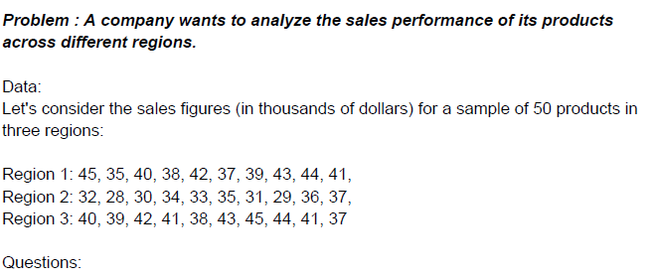

 |  |  |  |  |  |  |  |  |  |  |  | Data
 |  |  |  |  |  |  |  |  |  |  |  | Region 1 | Region 2 | Region 3
 |  |  |  |  |  |  |  |  |  |  |  | 45 | 32 | 40
 |  |  |  |  |  |  |  |  |  |  |  | 35 | 28 | 39
 |  |  |  |  |  |  |  |  |  |  |  | 40 | 30 | 42
 |  |  |  |  |  |  |  |  |  |  |  | 38 | 34 | 41
 |  |  |  |  |  |  |  |  |  |  |  | 42 | 33 | 38
 |  |  |  |  |  |  |  |  |  |  |  | 37 | 35 | 43
 |  |  |  |  |  |  |  |  |  |  |  | 39 | 31 | 45
 |  |  |  |  |  |  |  |  |  |  |  | 43 | 29 | 44
 |  |  |  |  |  |  |  |  |  |  |  | 44 | 36 | 41
 |  |  |  |  |  |  |  |  |  |  |  | 41 | 37 | 37

 |  |  |  |  |  |  |  |  |  |  |  | Region 1 | Region 2 | Region 3
 |  |  |  |  |  |  |  |  |  |  | Mean | 40.4 | 32.5 | 40
 |  |  |  |  |  |  |  |  |  |  | Min | 35 | 28 | 37
 |  |  |  |  |  |  |  |  |  |  | Max | 45 | 37 | 45
 |  |  |  |  |  |  |  |  |  |  | Range | 10 | 9 | 8

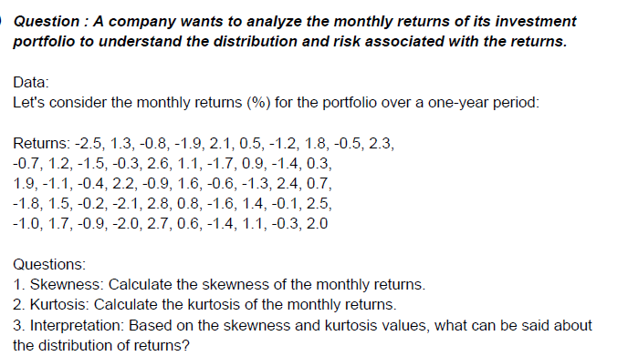
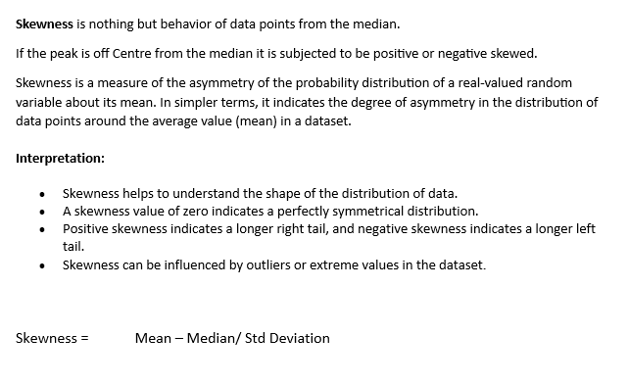

Data | -2.5 | 1.3 | -0.8 | -1.9 | 2.1 | 0.5 | -1.2 | 1.8 | -0.5 | 2.3 | -0.7 | 1.2 | -1.5 | -0.3 | 2.6 | 1.1 | -1.7 | 0.9 | -1.4 | 0.3 | 1.9 | -1.1 | -0.4 | 2.2 | -0.9 | 1.6 | -0.6 | -1.3 | 2.4 | 0.7 | -1.8 | 1.5 | -0.2 | -2.1 | 2.8 | 0.8 | -1.6 | 1.4 | -0.1 | 2.5 | -1 | 1.7 | -0.9 | -2 | 2.7 | 0.6 | -1.4 | 1.1 | -0.3 | 2

 |  | Row1

 |  | Mean | 0.236
 |  | Standard Error | 0.21813233205 |  | 0.054546017084 | Skewness
 |  | Median | 0.1
 |  | Mode | -0.3 |  | -1.3042496426 | Kurtosis
 |  | Standard Deviation | 1.5424285119
 |  | Sample Variance | 2.3790857143 |  | Interpretation:
 |  | Kurtosis | -1.3042496426 |  | Based on the skewness value (0.05455) as it is almost close to 0, we can say the curve for this distribution will be almost symmetrical.
 |  | Skewness | 0.054546017084 |  | Based on the kurtosis value (-1.3042), we can say that it is less than 3 so the curve will be a platykurtic curve with heavier tails on both the sides and a flatter peak.
 |  | Range | 5.3
 |  | Minimum | -2.5 |  | From the skewness and kurtosis value we can determine that such a distribution might indicate that returns or other metrics are very stable and predictable. However, it could also imply limited opportunities for significant gains or losses so the portfolio is ohkayish only not very lucrative.
 |  | Maximum | 2.8
 |  | Sum | 11.8
 |  | Count | 50
 |  | Largest(1) | 2.8
 |  | Smallest(1) | -2.5
 |  | Confidence Level(95.0%) | 0.43835333291

 |  |  |  |  |  |  |  |  |  |  | Data | 2.50 | 4.80 | 3.20 | 2.10 | 4.50 | 2.90 | 2.30 | 3.10 | 4.20 | 3.90 | 2.80 | 4.10 | 2.60 | 2.40 | 4.70 | 3.30 | 2.70 | 3.00 | 4.30 | 3.70 | 2.20 | 3.60 | 4.00 | 2.70 | 3.80 | 3.50 | 3.20 | 4.40 | 2.00 | 3.40 | 3.10 | 2.90 | 4.60 | 3.30 | 2.50 | 4.90 | 2.80 | 3.00 | 4.20 | 3.90 | 2.80 | 4.10 | 2.60 | 2.40 | 4.70 | 3.30 | 2.70 | 3.00 | 4.30 | 3.70 | 2.20 | 3.60 | 4.00 | 2.70 | 3.80 | 3.50 | 3.20 | 4.40 | 2.0 3.4 | 3.10 | 2.90 | 4.60 | 3.30 | 2.50 | 4.90 | 2.80 | 3.00 | 4.20 | 3.90 | 2.80 | 4.10 | 2.60 | 2.40 | 4.70 | 3.30 | 2.70 | 3.00 | 4.30 | 3.70 | 2.20 | 3.60 | 4.00 | 2.70 | 3.80 | 3.50 | 3.20 | 4.40 | 2.00 | 3.40 | 3.10 | 2.90 | 4.60 | 3.30 | 2.50 | 4.90
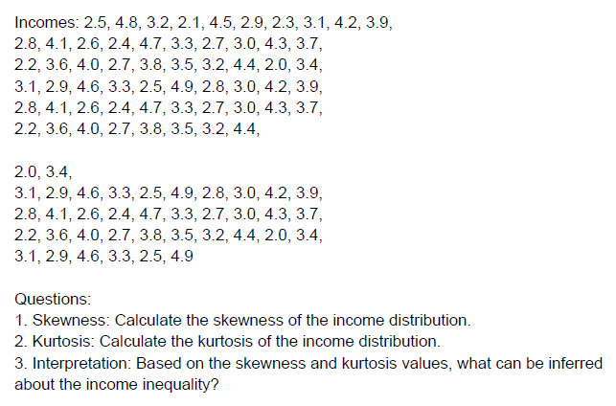
 |  |  |  |  |  |  |  |  |  |  | Kurtosis | -0.96090135414
 |  |  |  |  |  |  |  |  |  |  | Skewness | 0.23619441299

 |  |  |  |  |  |  |  |  |  |  |  | Interpretation
 |  |  |  |  |  |  |  |  |  |  |  | The skewness is very close to 0, value of skewness being 0.23 which means the curve is almost symmetric curve but will be slighltly right skewed. the majority data points are near the median.

 |  |  |  |  |  |  |  |  |  |  |  | The kurtosis is negative (-0.96) aprroximately -1 which is less than 3, that means the distribution curve is a platykurtic curve with heavier tails on both the sides, The data are highly concentrated around the mean, and extreme values (both high and low) are exceedingly rare.

 |  |  |  |  |  |  |  |  |  |  |  | From the skewness and kurtosis we can say that the income distribution is almost equal in all the classes of the population, most of the income classes are around the mean , while the number of upper and lower income class people is also similar to the ones in the middle. which is not a good sign economically.

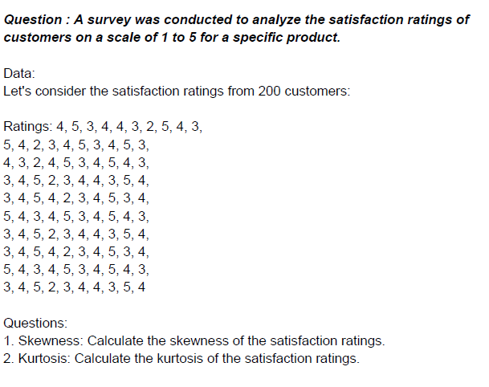

 |  |  |  |  |  |  |  |  |  |  |  |  | Data
 |  |  |  |  |  |  |  |  |  |  |  |  | 4 | 5 | 3 | 4 | 4 | 3 | 2 | 5 | 4 | 3
 |  |  |  |  |  |  |  |  |  |  |  |  | 5 | 4 | 2 | 3 | 4 | 5 | 3 | 4 | 5 | 3
 |  |  |  |  |  |  |  |  |  |  |  |  | 4 | 3 | 2 | 4 | 5 | 3 | 4 | 5 | 4 | 3
 |  |  |  |  |  |  |  |  |  |  |  |  | 3 | 4 | 5 | 2 | 3 | 4 | 4 | 3 | 5 | 4
 |  |  |  |  |  |  |  |  |  |  |  |  | 3 | 4 | 5 | 4 | 2 | 3 | 4 | 5 | 3 | 4
 |  |  |  |  |  |  |  |  |  |  |  |  | 5 | 4 | 3 | 4 | 5 | 3 | 4 | 5 | 4 | 3
 |  |  |  |  |  |  |  |  |  |  |  |  | 3 | 4 | 5 | 2 | 3 | 4 | 4 | 3 | 5 | 4
 |  |  |  |  |  |  |  |  |  |  |  |  | 3 | 4 | 5 | 4 | 2 | 3 | 4 | 5 | 3 | 4
 |  |  |  |  |  |  |  |  |  |  |  |  | 5 | 4 | 3 | 4 | 5 | 3 | 4 | 5 | 4 | 3
 |  |  |  |  |  |  |  |  |  |  |  |  | 3 | 4 | 5 | 2 | 3 | 4 | 4 | 3 | 5 | 4

 |  |  |  |  |  |  |  |  |  |  |  |  | Skewness | -0.21090973977
 |  |  |  |  |  |  |  |  |  |  |  |  | Kurtosis | -0.74525627212

 |  |  |  |  |  |  |  |  |  |  |  |  | Interpretation
 |  |  |  |  |  |  |  |  |  |  |  |  | The satisfaction ratings data show a distribution that is slightly left-skewed (more customers clustered towards higher ratings) and slightly platykurtic (fewer extreme ratings compared to a normal distribution).

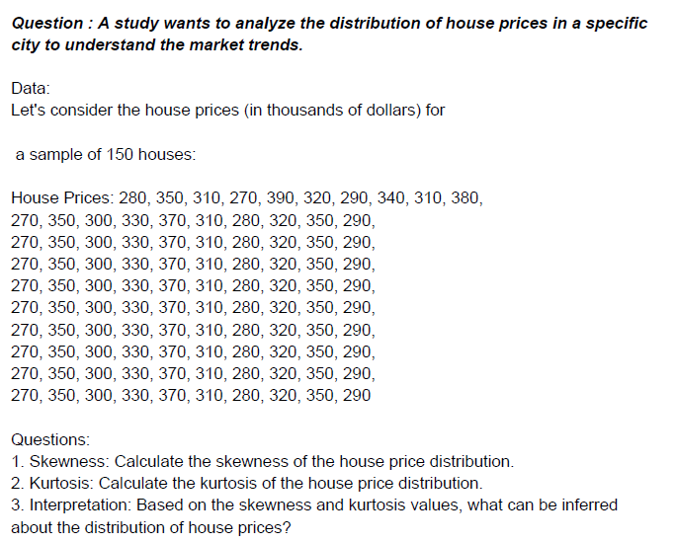
 |  |  |  |  |  |  |  |  |  |  |  | Data
 |  |  |  |  |  |  |  |  |  |  |  | 280 | 350 | 310 | 270 | 390 | 320 | 290 | 340 | 310 | 380
 |  |  |  |  |  |  |  |  |  |  |  | 270 | 350 | 300 | 330 | 370 | 310 | 280 | 320 | 350 | 290
 |  |  |  |  |  |  |  |  |  |  |  | 270 | 350 | 300 | 330 | 370 | 310 | 280 | 320 | 350 | 290
 |  |  |  |  |  |  |  |  |  |  |  | 270 | 350 | 300 | 330 | 370 | 310 | 280 | 320 | 350 | 290
 |  |  |  |  |  |  |  |  |  |  |  | 270 | 350 | 300 | 330 | 370 | 310 | 280 | 320 | 350 | 290
 |  |  |  |  |  |  |  |  |  |  |  | 270 | 350 | 300 | 330 | 370 | 310 | 280 | 320 | 350 | 290
 |  |  |  |  |  |  |  |  |  |  |  | 270 | 350 | 300 | 330 | 370 | 310 | 280 | 320 | 350 | 290
 |  |  |  |  |  |  |  |  |  |  |  | 270 | 350 | 300 | 330 | 370 | 310 | 280 | 320 | 350 | 290
 |  |  |  |  |  |  |  |  |  |  |  | 270 | 350 | 300 | 330 | 370 | 310 | 280 | 320 | 350 | 290
 |  |  |  |  |  |  |  |  |  |  |  | 270 | 350 | 300 | 330 | 370 | 310 | 280 | 320 | 350 | 290

 |  |  |  |  |  |  |  |  |  |  |  | Skewness | 0.2092186248
 |  |  |  |  |  |  |  |  |  |  |  | Kurtosis | -1.0374244845

 |  |  |  |  |  |  |  |  |  |  |  | Interpretation
 |  |  |  |  |  |  |  |  |  |  |  | The positive skewness (0.209) indicates a slight tendency towards higher house prices, but this is not pronounced, suggesting that the distribution is fairly balanced overall.
 |  |  |  |  |  |  |  |  |  |  |  | The platykurtic nature (kurtosis of -1.037) indicates that the distribution of house prices has a flatter peak than a normal distribution. This implies that there are fewer very high or very low house prices relative to a normal distribution, resulting in a more spread-out distribution without extreme values.

 |  |  |  |  |  |  |  |  |  |  | Data
 |  |  |  |  |  |  |  |  |  |  | 12 | 18 | 15 | 22 | 20 | 14 | 16 | 21 | 19 | 17
 |  |  |  |  |  |  |  |  |  |  | 22 | 19 | 13 | 16 | 21 | 22 | 17 | 19 | 22 | 18
 |  |  |  |  |  |  |  |  |  |  | 14 | 20 | 19 | 17 | 22 | 18 | 15 | 21 | 20 | 16
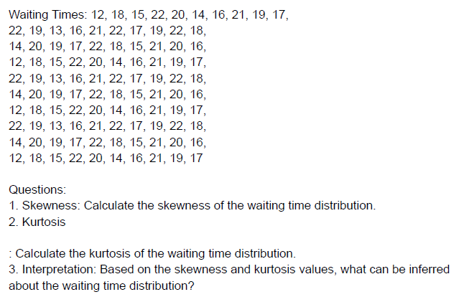
 |  |  |  |  |  |  |  |  |  |  | 12 | 18 | 15 | 22 | 20 | 14 | 16 | 21 | 19 | 17
 |  |  |  |  |  |  |  |  |  |  | 22 | 19 | 13 | 16 | 21 | 22 | 17 | 19 | 22 | 18
 |  |  |  |  |  |  |  |  |  |  | 14 | 20 | 19 | 17 | 22 | 18 | 15 | 21 | 20 | 16
 |  |  |  |  |  |  |  |  |  |  | 12 | 18 | 15 | 22 | 20 | 14 | 16 | 21 | 19 | 17
 |  |  |  |  |  |  |  |  |  |  | 22 | 19 | 13 | 16 | 21 | 22 | 17 | 19 | 22 | 18
 |  |  |  |  |  |  |  |  |  |  | 14 | 20 | 19 | 17 | 22 | 18 | 15 | 21 | 20 | 16
 |  |  |  |  |  |  |  |  |  |  | 12 | 18 | 15 | 22 | 20 | 14 | 16 | 21 | 19 | 17

 |  |  |  |  |  |  |  |  |  |  | Skewness | -0.33501287222
 |  |  |  |  |  |  |  |  |  |  | Kurtosis | -0.88101144669

 |  |  |  |  |  |  |  |  |  |  | Interpretation
 |  |  |  |  |  |  |  |  |  |  | The negative skewness (-0.335) suggests that the waiting times are slightly left-skewed, indicating a tendency towards shorter wait times.
 |  |  |  |  |  |  |  |  |  |  | The negative kurtosis (-0.881) indicates that the distribution of waiting times is platykurtic, meaning it has a flatter peak, suggesting that waiting times vary more widely and are less concentrated around a central average than would be expected in a normal distribution.

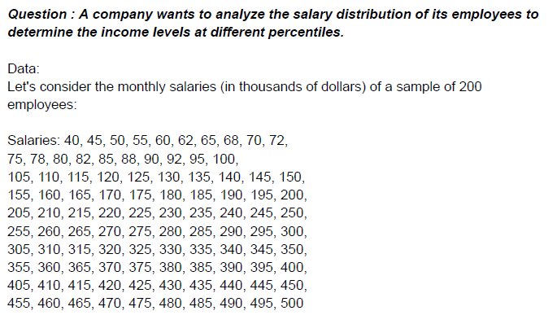
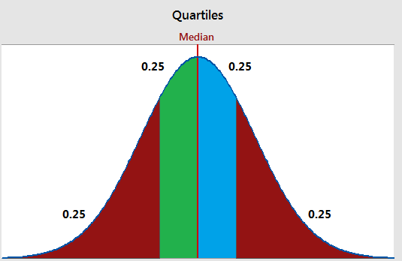

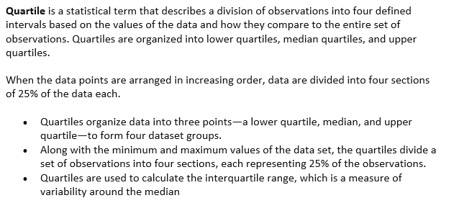

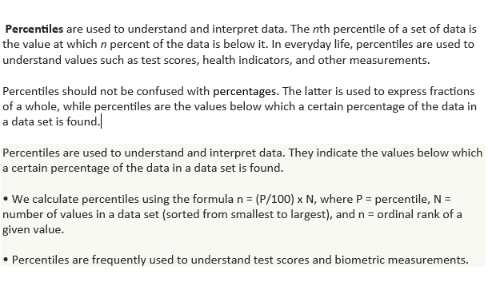

data
40 | 45 | 50 | 55 | 60 | 62 | 65 | 68 | 70 | 72
75 | 78 | 80 | 82 | 85 | 88 | 90 | 92 | 95 | 100
105 | 110 | 115 | 120 | 125 | 130 | 135 | 140 | 145 | 150
155 | 160 | 165 | 170 | 175 | 180 | 185 | 190 | 195 | 200
205 | 210 | 215 | 220 | 225 | 230 | 235 | 240 | 245 | 250
255 | 260 | 265 | 270 | 275 | 280 | 285 | 290 | 295 | 300
305 | 310 | 315 | 320 | 325 | 330 | 335 | 340 | 345 | 350
355 | 360 | 365 | 370 | 375 | 380 | 385 | 390 | 395 | 400
405 | 410 | 415 | 420 | 425 | 430 | 435 | 440 | 445 | 450 |  |  | Q1 = 25th Percentile
455 | 460 | 465 | 470 | 475 | 480 | 485 | 490 | 495 | 500 |  |  | Q2 = Median = 50th Percentile
 |  |  |  |  |  |  |  |  |  |  |  | Q3 = 75th Percentile
 | Quartiles |  | Percentile |  | Median | Max Salary | Min Salary | IQR |  |  |  | Inter Quartile range (IQR) = Q3-Q1
 | Q1 | 128.75 | 10th | 74.7 | 252.5 | 500 | 40 | 247.5
 | Q2 | 252.5 | 25th | 128.75
 | Q3 | 376.25 | 75th | 376.25
 |  |  | 90th | 450.5

Interpretation
Q1 (First Quartile): 128.75128.75128.75 represents the salary at the 25th percentile. This means 25% of employees earn less than 128.75128.75128.75.
Q2 (Median): 252.5252.5252.5 is the salary at the 50th percentile, indicating that half of the employees earn less than 252.5252.5252.5.
Q3 (Third Quartile): 376.25376.25376.25 is the salary at the 75th percentile. Therefore, 75% of employees earn less than 376.25376.25376.25.

10th Percentile: 74.774.774.7 represents the salary at the 10th percentile, indicating that 10% of employees earn less than 74.774.774.7.
25th Percentile: 128.75128.75128.75 is the same as Q1, indicating the salary at the 25th percentile.
75th Percentile: 376.25376.25376.25 is the same as Q3, representing the salary at the 75th percentile.
90th Percentile: 450.5450.5450.5 is the salary at the 90th percentile, indicating that 90% of employees earn less than 450.5450.5450.5.

The median salary (Q2) of 252.5252.5252.5 suggests that half of the employees earn less than this amount.
The interquartile range (Q3 - Q1) is 376.25−128.75=247.5376.25 - 128.75 = 247.5376.25−128.75=247.5, indicating the spread of salaries for the middle 50% of employees.
The percentiles provide insights into the income distribution across different levels within the organization.

Overall, these values provide a clear picture of the salary distribution within the company, showing where the majority of employees fall in terms of income levels and highlighting any potential disparities or concentrations within the salary structure.

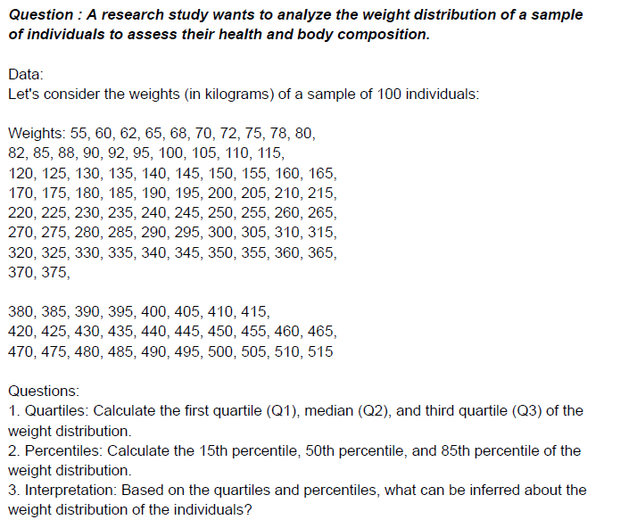
 |  |  |  |  |  |  |  |  |  |  | Data
 |  |  |  |  |  |  |  |  |  |  | 55 | 60 | 62 | 65 | 68 | 70 | 72 | 75 | 78 | 80
 |  |  |  |  |  |  |  |  |  |  | 82 | 85 | 88 | 90 | 92 | 95 | 100 | 105 | 110 | 115
 |  |  |  |  |  |  |  |  |  |  | 120 | 125 | 130 | 135 | 140 | 145 | 150 | 155 | 160 | 165
 |  |  |  |  |  |  |  |  |  |  | 170 | 175 | 180 | 185 | 190 | 195 | 200 | 205 | 210 | 215
 |  |  |  |  |  |  |  |  |  |  | 220 | 225 | 230 | 235 | 240 | 245 | 250 | 255 | 260 | 265
 |  |  |  |  |  |  |  |  |  |  | 270 | 275 | 280 | 285 | 290 | 295 | 300 | 305 | 310 | 315
 |  |  |  |  |  |  |  |  |  |  | 320 | 325 | 330 | 335 | 340 | 345 | 350 | 355 | 360 | 365
 |  |  |  |  |  |  |  |  |  |  | 370 | 375
 |  |  |  |  |  |  |  |  |  |  | 380 | 385 | 390 | 395 | 400 | 405 | 410 | 415
 |  |  |  |  |  |  |  |  |  |  | 420 | 425 | 430 | 435 | 440 | 445 | 450 | 455 | 460 | 465
 |  |  |  |  |  |  |  |  |  |  | 470 | 475 | 480 | 485 | 490 | 495 | 500 | 505 | 510 | 515

 |  |  |  |  |  |  |  |  |  |  |  | Quartiles |  | Percentile |  | Median | Max weight | Min weight | IQR
 |  |  |  |  |  |  |  |  |  |  |  | Q1 | 143.75 | 15th percentile | 94.55 | 267.5 | 515 | 55 | 247.5
 |  |  |  |  |  |  |  |  |  |  |  | Q2 | 267.5 | 50th percentile | 267.5
 |  |  |  |  |  |  |  |  |  |  |  | Q3 | 391.25 | 85th percentile | 440.75

 |  |  |  |  |  |  |  |  |  |  |  | Interpretation
 |  |  |  |  |  |  |  |  |  |  |  | The weight distribution among the sample of individuals shows a median weight (Q2) of 267.5267.5267.5 kilograms, indicating that half of the individuals have weights below this value.
 |  |  |  |  |  |  |  |  |  |  |  | The interquartile range (Q3 - Q1) of 247.5247.5247.5 kilograms suggests the spread of weights for the middle 50% of individuals.
 |  |  |  |  |  |  |  |  |  |  |  | The first quartile (Q1) at 143.75143.75143.75 kilograms and the third quartile (Q3) at 391.25391.25391.25 kilograms highlight the weights below which 25% and 75% of individuals fall, respectively.
 |  |  |  |  |  |  |  |  |  |  |  | The percentiles further illustrate the distribution: the 15th percentile reveals the lower boundary of weights, while the 85th percentile identifies the upper boundary within the sample.

 |  |  |  |  |  |  |  |  |  |  |  | This combined interpretation provides a comprehensive understanding of how weights are distributed among the individuals sampled, ranging from lighter to heavier weights, with specific thresholds (quartiles) and detailed percentile breakdowns.

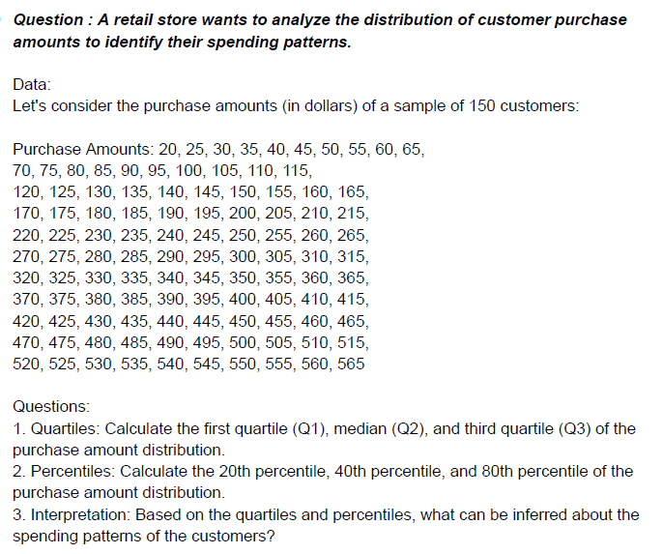

 |  |  |  |  |  |  |  |  |  |  | Data

 |  |  |  |  |  |  |  |  |  |  | 20 | 25 | 30 | 35 | 40 | 45 | 50 | 55 | 60 | 65
 |  |  |  |  |  |  |  |  |  |  | 70 | 75 | 85 | 90 | 95 | 100 | 105 | 110 | 115 | 80
 |  |  |  |  |  |  |  |  |  |  | 120 | 125 | 130 | 135 | 140 | 145 | 150 | 155 | 160 | 165
 |  |  |  |  |  |  |  |  |  |  | 170 | 175 | 180 | 185 | 190 | 195 | 200 | 205 | 210 | 215
 |  |  |  |  |  |  |  |  |  |  | 220 | 225 | 230 | 235 | 240 | 245 | 250 | 255 | 260 | 265
 |  |  |  |  |  |  |  |  |  |  | 270 | 275 | 280 | 285 | 290 | 295 | 300 | 305 | 310 | 315
 |  |  |  |  |  |  |  |  |  |  | 320 | 325 | 330 | 335 | 340 | 345 | 350 | 355 | 360 | 365
 |  |  |  |  |  |  |  |  |  |  | 370 | 375 | 380 | 385 | 390 | 395 | 400 | 405 | 410 | 415
 |  |  |  |  |  |  |  |  |  |  | 420 | 425 | 430 | 435 | 440 | 445 | 450 | 455 | 460 | 465
 |  |  |  |  |  |  |  |  |  |  | 470 | 475 | 480 | 485 | 490 | 495 | 500 | 505 | 510 | 515
 |  |  |  |  |  |  |  |  |  |  | 520 | 525 | 530 | 535 | 540 | 545 | 550 | 555 | 560 | 565

 |  |  |  |  |  |  |  |  |  |  |  | Quartiles |  | Percentile |  | Median | IQR
 |  |  |  |  |  |  |  |  |  |  |  | Q1 | 156.25 | 20th percentile | 129 | 292.5 | 272.5
 |  |  |  |  |  |  |  |  |  |  |  | Q2 | 292.5 | 40th percentile | 238
 |  |  |  |  |  |  |  |  |  |  |  | Q3 | 428.75 | 80th percentile | 456

 |  |  |  |  |  |  |  |  |  |  | Interpretation

 |  |  |  |  |  |  |  |  |  |  | The median purchase amount (Q2) of 292.5292.5292.5 dollars indicates that half of the customers spend more than this amount and half spend less.
 |  |  |  |  |  |  |  |  |  |  | The interquartile range (Q3 - Q1) of 272.5272.5272.5 dollars shows the spread of spending for the middle 50% of customers.
 |  |  |  |  |  |  |  |  |  |  | The first quartile (Q1) at 156.25156.25156.25 dollars and the third quartile (Q3) at 428.75428.75428.75 dollars highlight the spending levels below which 25% and 75% of customers fall, respectively.
 |  |  |  |  |  |  |  |  |  |  | The percentiles further illustrate the distribution: the 20th percentile shows where the lower 20% of spending lies, the 40th percentile provides insight into mid-range spending, and the 80th percentile shows where the bulk of higher spending occurs.

 |  |  |  |  |  |  |  |  |  |  | This combined interpretation provides a comprehensive view of the spending patterns among the customers, highlighting the distribution of purchase amounts across different percentiles and quartiles.

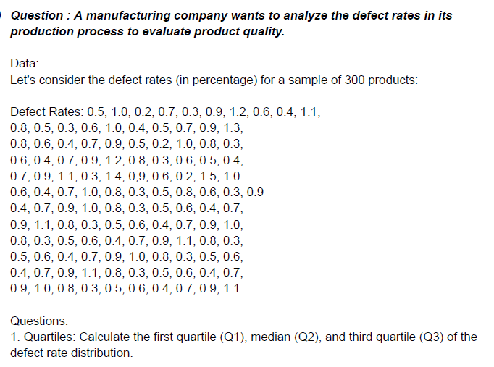
 |  |  |  |  |  |  |  |  |  |  | Data
 |  |  |  |  |  |  |  |  |  |  | 0.5 | 1 | 0.2 | 0.7 | 0.3 | 0.9 | 1.2 | 0.6 | 0.4 | 1.1
 |  |  |  |  |  |  |  |  |  |  | 0.8 | 0.5 | 0.3 | 0.6 | 1 | 0.4 | 0.5 | 0.7 | 0.9 | 1.3
 |  |  |  |  |  |  |  |  |  |  | 0.8 | 0.6 | 0.4 | 0.7 | 0.9 | 0.5 | 0.2 | 1 | 0.8 | 0.3
 |  |  |  |  |  |  |  |  |  |  | 0.6 | 0.4 | 0.7 | 0.9 | 1.2 | 0.8 | 0.3 | 0.6 | 0.5 | 0.4
 |  |  |  |  |  |  |  |  |  |  | 0.7 | 0.9 | 1.1 | 0.3 | 1.4 | 9 | 0.6 | 0.2 | 1.5 | 1
 |  |  |  |  |  |  |  |  |  |  | 0.6 | 0.4 | 0.7 | 1 | 0.8 | 0.3 | 0.5 | 0.8 | 0.6 | 0.3 | 0.9
 |  |  |  |  |  |  |  |  |  |  | 0.4 | 0.7 | 0.9 | 1 | 0.8 | 0.3 | 0.5 | 0.6 | 0.4 | 0.7
 |  |  |  |  |  |  |  |  |  |  | 0.9 | 1.1 | 0.8 | 0.3 | 0.5 | 0.6 | 0.4 | 0.7 | 0.9 | 1
 |  |  |  |  |  |  |  |  |  |  | 0.8 | 0.3 | 0.5 | 0.6 | 0.4 | 0.7 | 0.9 | 1.1 | 0.8 | 0.3
 |  |  |  |  |  |  |  |  |  |  | 0.5 | 0.6 | 0.4 | 0.7 | 0.9 | 1 | 0.8 | 0.3 | 0.5 | 0.6
 |  |  |  |  |  |  |  |  |  |  | 0.4 | 0.7 | 0.9 | 1.1 | 0.8 | 0.3 | 0.5 | 0.6 | 0.4 | 0.7
 |  |  |  |  |  |  |  |  |  |  | 0.9 | 1 | 0.8 | 0.3 | 0.5 | 0.6 | 0.4 | 0.7 | 0.9 | 1.1

 |  |  |  |  |  |  |  |  |  |  | Quartiles |  | Percentile |  | Median | IQR
 |  |  |  |  |  |  |  |  |  |  | Q1 | 0.4 | 25th | 0.4 | 0.7 | 0.5
 |  |  |  |  |  |  |  |  |  |  | Q2 | 0.7 | 50th | 0.7
 |  |  |  |  |  |  |  |  |  |  | Q3 | 0.9 | 75th | 0.9

 |  |  |  |  |  |  |  |  |  |  | Interpretation
 |  |  |  |  |  |  |  |  |  |  | Inference about Product Quality Based on the quartiles and percentiles:
 |  |  |  |  |  |  |  |  |  |  | The median defect rate (Q2) of 0.7 percent suggests that half of the products have defect rates around this level.
 |  |  |  |  |  |  |  |  |  |  | The interquartile range (IQR) of 0.5 percent (from 0.4 to 0.9 percent) indicates the spread of defect rates for the middle 50% of products.
 |  |  |  |  |  |  |  |  |  |  | The 25th percentile at 0.4 percent indicates that a quarter of the products have relatively low defect rates.
 |  |  |  |  |  |  |  |  |  |  | The 75th percentile at 0.9 percent indicates where the majority of defect rates are clustered, showing some variability but generally below 0.9 percent.
 |  |  |  |  |  |  |  |  |  |  | Overall, the analysis suggests that while a significant portion of products have defect rates below 0.7 percent (median), there is variability in defect rates among the products, with some products exhibiting lower defect rates (25th percentile) and others needing improvement to reduce defect rates further (75th percentile) for better product quality and customer satisfaction.

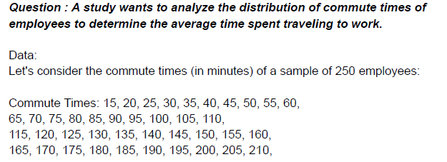

 |  |  |  |  |  |  |  |  |  |  |  | Data
 |  |  |  |  |  |  |  |  |  |  |  | 15 | 20 | 25 | 30 | 35 | 40 | 45 | 50 | 55 | 60
 |  |  |  |  |  |  |  |  |  |  |  | 65 | 70 | 75 | 80 | 85 | 90 | 95 | 100 | 105 | 110
 |  |  |  |  |  |  |  |  |  |  |  | 115 | 120 | 125 | 130 | 135 | 140 | 145 | 150 | 155 | 160
 |  |  |  |  |  |  |  |  |  |  |  | 165 | 170 | 175 | 180 | 185 | 190 | 195 | 200 | 205 | 210
 |  |  |  |  |  |  |  |  |  |  |  | 215 | 220 | 225 | 230 | 235 | 240 | 245 | 250 | 255 | 260
 |  |  |  |  |  |  |  |  |  |  |  | 265 | 270 | 275 | 280 | 285 | 290 | 295 | 300 | 305 | 310
 |  |  |  |  |  |  |  |  |  |  |  | 315 | 320 | 325 | 330 | 335 | 340 | 345 | 350 | 355 | 360
 |  |  |  |  |  |  |  |  |  |  |  | 365 | 370 | 375 | 380 | 385 | 390 | 395 | 400 | 405 | 410
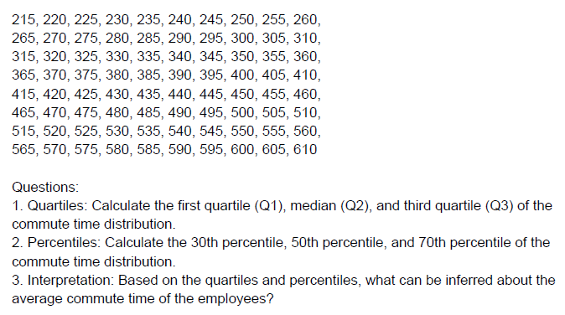
 |  |  |  |  |  |  |  |  |  |  |  | 415 | 420 | 425 | 430 | 435 | 440 | 445 | 450 | 455 | 460
 |  |  |  |  |  |  |  |  |  |  |  | 465 | 470 | 475 | 480 | 485 | 490 | 495 | 500 | 505 | 510
 |  |  |  |  |  |  |  |  |  |  |  | 515 | 520 | 525 | 530 | 535 | 540 | 545 | 550 | 555 | 560
 |  |  |  |  |  |  |  |  |  |  |  | 565 | 570 | 575 | 580 | 585 | 590 | 595 | 600 | 605 | 610

 |  |  |  |  |  |  |  |  |  |  |  | Quartiles |  | Percentile |  | Median | IQR
 |  |  |  |  |  |  |  |  |  |  |  | Q1 | 163.75 | 30th | 193.5 | 312.5 | 297.5
 |  |  |  |  |  |  |  |  |  |  |  | Q2 | 312.5 | 50th | 312.5
 |  |  |  |  |  |  |  |  |  |  |  | Q3 | 461.25 | 70th | 431.5

 |  |  |  |  |  |  |  |  |  |  |  | Interpretation
 |  |  |  |  |  |  |  |  |  |  |  | Based on the quartiles and percentiles the following can be Inferenced about Average Commute Time:
 |  |  |  |  |  |  |  |  |  |  |  | The median commute time (Q2) of 312.5 minutes suggests that half of the employees have commute times around this duration.
 |  |  |  |  |  |  |  |  |  |  |  | The interquartile range (IQR) of 297.5 minutes (from 163.75 to 461.25 minutes) indicates the variability in commute times for the middle 50% of employees.
 |  |  |  |  |  |  |  |  |  |  |  | The 30th percentile at 193.5 minutes indicates a lower boundary where a significant portion of employees have shorter commute times.
 |  |  |  |  |  |  |  |  |  |  |  | The 70th percentile at 431.5 minutes suggests that most employees have commute times below this duration, but there is variability with some employees experiencing longer commute times.

 |  |  |  |  |  |  |  |  |  |  |  | Overall, the analysis provides insight into the distribution of commute times among employees, highlighting the median and variability in commute durations, which can be useful for understanding transportation needs and potentially optimizing work-life balance.

 |  |  |  |  |  |  |  | THE END

